Shaasan App
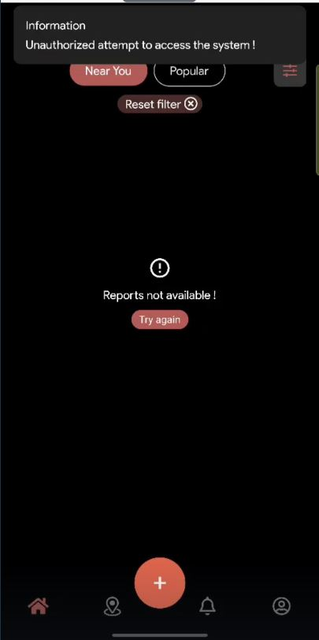
S.NO | Project_Name | ReqID | Scenario | Test Case Title | Steps | Expected Result | Actual Result | Status(Passed/Fail) | Screenshot the bug
TC_001 | Shaasan_Test | 1.1 | User Register with Google account | Verify register with Google account | 1. Open AppStore on phone. 2. Search 'Shaasan' in search bar and download it. 3. Open the app. 4. Pop up saying 'Sign-in Required' will appear. 5. Click 'Sign in' button. 6. Click 'Continue with Google' button. 7. Sign up with all required data and click 'Done' button. | 1. Register successful. 2. User should validate his/her account through email. | Register was not successful, error message as 'Information: Unauthorized attempt to access the system!' was continuously popping up. | Fail
TC_002 | Shaasan_Test
TC_003 | Shaasan_Test
TC_004 | Shaasan_Test
TC_005 | Shaasan_Test
TC_006 | Shaasan_Test
TC_007 | Shaasan_Test
TC_008 | Shaasan_Test
TC_009 | Shaasan_Test
TC_010 | Shaasan_Test

